Sheet1
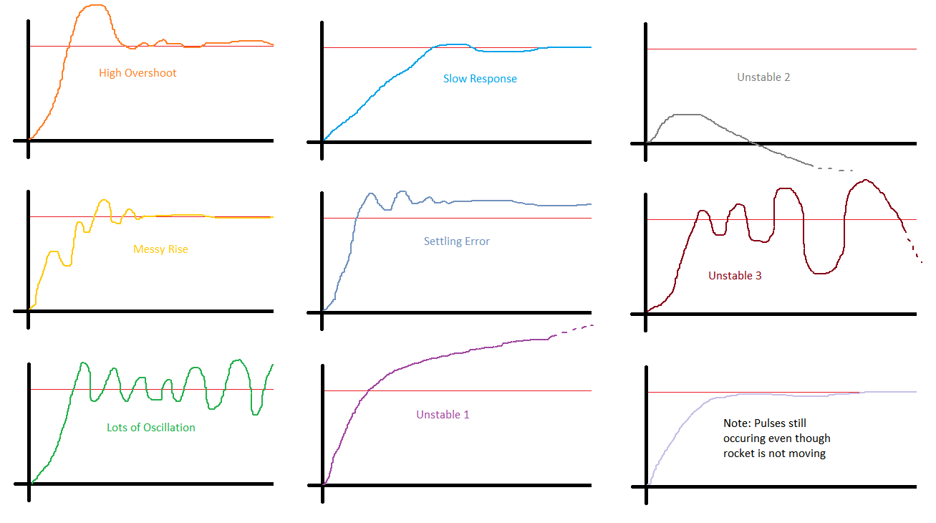
Problem | Kp (probably <10) | Kd (probably between 0.5*Kp and 0.1*Kp) | Ki (probably between 0.1*Kp 0.01*Kp) | pwm_min (probably < 50)
High Overshoot | Decrease | Increase | Decrease
Messy Rise |  | Decrease
Lots of Oscillation | Decrease | Increase |  | Decrease
Slow | Increase |  | Decrease
Settling Error |  | Decrease | Increase
Unstable 1 | Decrease |  | Increase
Unstable 2 | Increase | Increase | Increase
Unstable 3 | Decrease | Increase |  | Decrease
Many pulses w/ no effect |  |  |  | Increase

